Sheet1
Country | Size(square km) | Population(millions) | Net worth(USD Billion) | High and low population | Population/size
Pakistan | 881913 | 220.9 | 280 | Country has higher population | 0.00025047822177 | NAME | MUHAMMAD SADEEQ
Bangladash | 148460 | 164.7 | 72 | Country has higher population | 0.0011093897346 | ROLL NO | 75025
India | 3287240 | 138 | 12833 | Country has higher population | 4.1980506443E-05 | SECTION | C
Nepal | 147516 | 29.14 | 5.946 | Country has lower population | 0.00019753789419
China | 9596961 | 1402 | 120000 | Country has higher population | 0.00014608791262
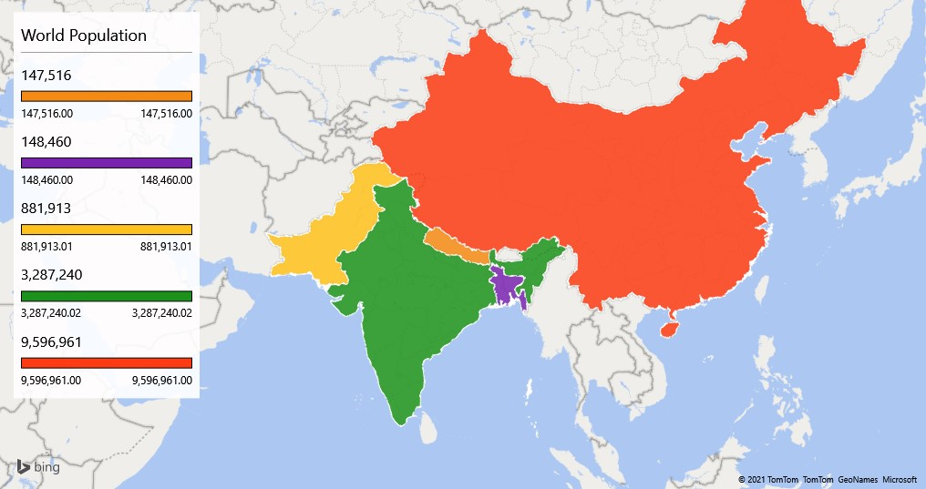
COUNTRIES SIZE
 | Total
Bangladash | 148460
China | 9596961
India | 3287240
Nepal | 147516
Pakistan | 881913

